Metadata
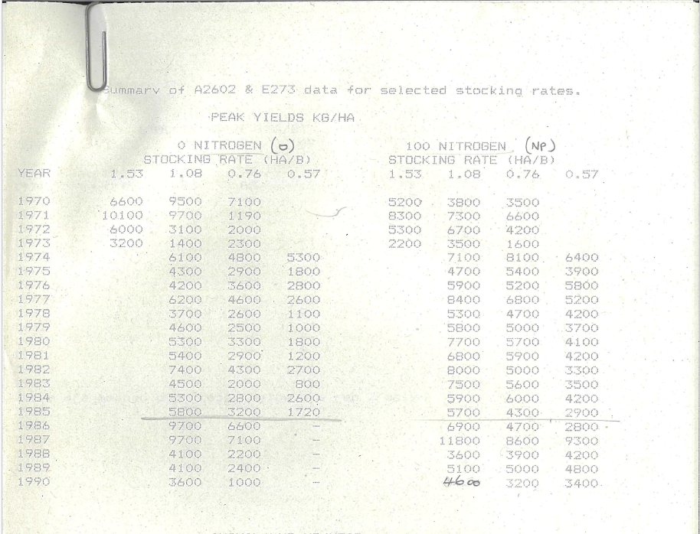
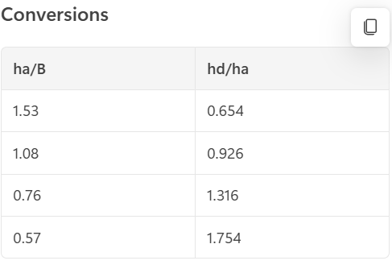
1970 - 1973 = End of phase 1 of the trial before new treatment allocations
1968 - 1969 = Drought
1973 - 1985 = Phase 2 of the trials (main trial - Tech memo descripts this)
1985 + = Legacy year after the N-fertiliser was no longer applied.

Note the stocking rate conversion.
1.53 ha/B or 0.65 hd/ha was not included in phase 2 of the trial
These LWG values represent average kg gained in the year.
Peak.AboveGround.Wt - kg/Ha converted to g/m2 by dividing by 10
Hardcopies provided by Cam McDonalds

SR over the trial
Stocking rates over the long term trial

 | Trial phase
1968 | 1 - Breeding cows | 0.66 | 0.93 | 0.93 | 1.31 | 1.31
1969 | 1 - Breeding cows | 0.66 | 0.93 | 0.93 | 1.31 | 1.31
1970 | 1 - Breeding cows | 0.66 | 0.93 | 0.93 | 1.31 | 1.31
1971 | 1 - Breeding cows | 0.66 | 0.93 | 0.93 | 1.31 | 1.31
1972 | 1 - Breeding cows | 0.66 | 0.93 | 0.93 | 1.31 | 1.31
1973 | 2 - LWG of steers or heifers | 1.0 | 1.4 | 1.8 | 2.0 | 2.2
1974 | 2 - LWG of steers or heifers | 1.0 | 1.4 | 1.8 | 2.0 | 2.2
1975 | 2 - LWG of steers or heifers | 1.0 | 1.4 | 1.8 | 2.0 | 2.2
1976 | 2 - LWG of steers or heifers | 1.0 | 1.4 | 1.8 | 2.0 | 2.2
1977 | 2 - LWG of steers or heifers | 1.0 | 1.4 | 1.8 | 2.0 | 2.2
1978 | 2 - LWG of steers or heifers | 1.0 | 1.4 | 1.8 | 2.0 | 2.2
1979 | 2 - LWG of steers or heifers | 1.0 | 1.4 | 1.8 | 2.0 | 2.2
1980 | 2 - LWG of steers or heifers | 1.0 | 1.4 | 1.8 | 2.0 | 2.2
1981 | 2 - LWG of steers or heifers | 1.0 | 1.4 | 1.8 | 2.0 | 2.2
1982 | 2 - LWG of steers or heifers | 1.0 | 1.4 | 1.8 | 2.0
1983 | 2 - LWG of steers or heifers | 1.0 | 1.4 | 1.8 | 2.0
1984 | 2 - LWG of steers or heifers | 1.0 | 1.4 | 1.8 | 2.0
1985 | 2 - LWG of steers or heifers | 1.0 | 1.4 | 1.8 | 2.0
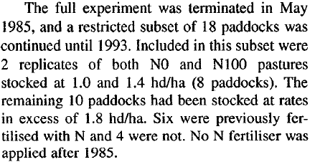
1986 | 3 - Legacy post N-fert | 1.0 | 1.4 | 1.8+2.0+2.2
1987 | 4 - Legacy post N-fert | 1.0 | 1.4 | 1.8+2.0+2.2
1988 | 5 - Legacy post N-fert | 1.0 | 1.4 | 1.8+2.0+2.2
1989 | 6 - Legacy post N-fert | 1.0 | 1.4 | 1.8+2.0+2.2
1990 | 7 - Legacy post N-fert | 1.0 | 1.4 | 1.8+2.0+2.2
1991 | 8 - Legacy post N-fert | 1.0 | 1.4 | 1.8+2.0+2.2
1992 | 9 - Legacy post N-fert | 1.0 | 1.4 | 1.8+2.0+2.2

